INTERFACE TEMPERATURE BUZZER
MODULE WEMOS 09/09/19

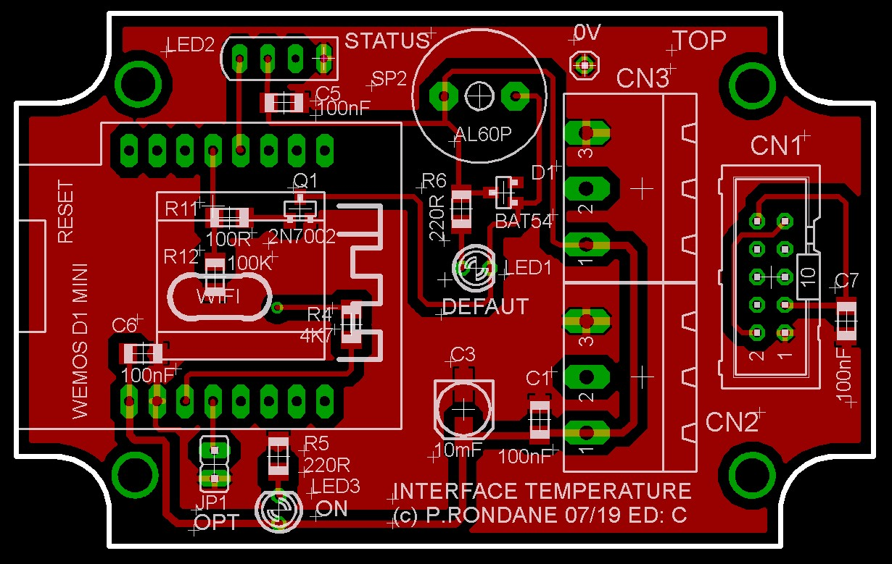
 | PCB ED: B |  | FONCTION | AFFECTATION PINS
 |  | 1 | RST | Reset | RST
 |  | 2 | A0 | Analog input, max 3.3V input | A0
 |  | 3 | D0 | IO | GPIO16
 | LED NEOPIXEL | 4 | D5 | IO, SCK | GPIO14
 | Buzzer | 5 | D6 | IO, MISO | GPIO12
 |  | 6 | D7 | IO, MOSI | GPIO13
 |  | 7 | D8 | IO, 10k Pull-down, SS | GPIO15
 |  | 8 | 3V3 | 3.3V | 3.3V
 |  | 9 | 5V | 5V | 5V
 |  | 10 | G | Ground | GND
 | 1-WIRE | 11 | D4 | IO, 10k Pull-up, BUILTIN_LED | GPIO2
 | OPTION | 12 | D3 | IO, 10k Pull-up | GPIO0
 |  | 13 | D2 | IO, SDA | GPIO4
 |  | 14 | D1 | IO, SCL | GPIO5
 |  | 15 | RX | RXD | RXD
 |  | 16 | TX | TXD | TXD

 | Adresse IP
 | IDX
 | Version soft |  | 1.x
 | Mot de passe OTA |  | 1234

INTERFACE TEMPERATURE RELAIS
MODULE WEMOS 09/09/19

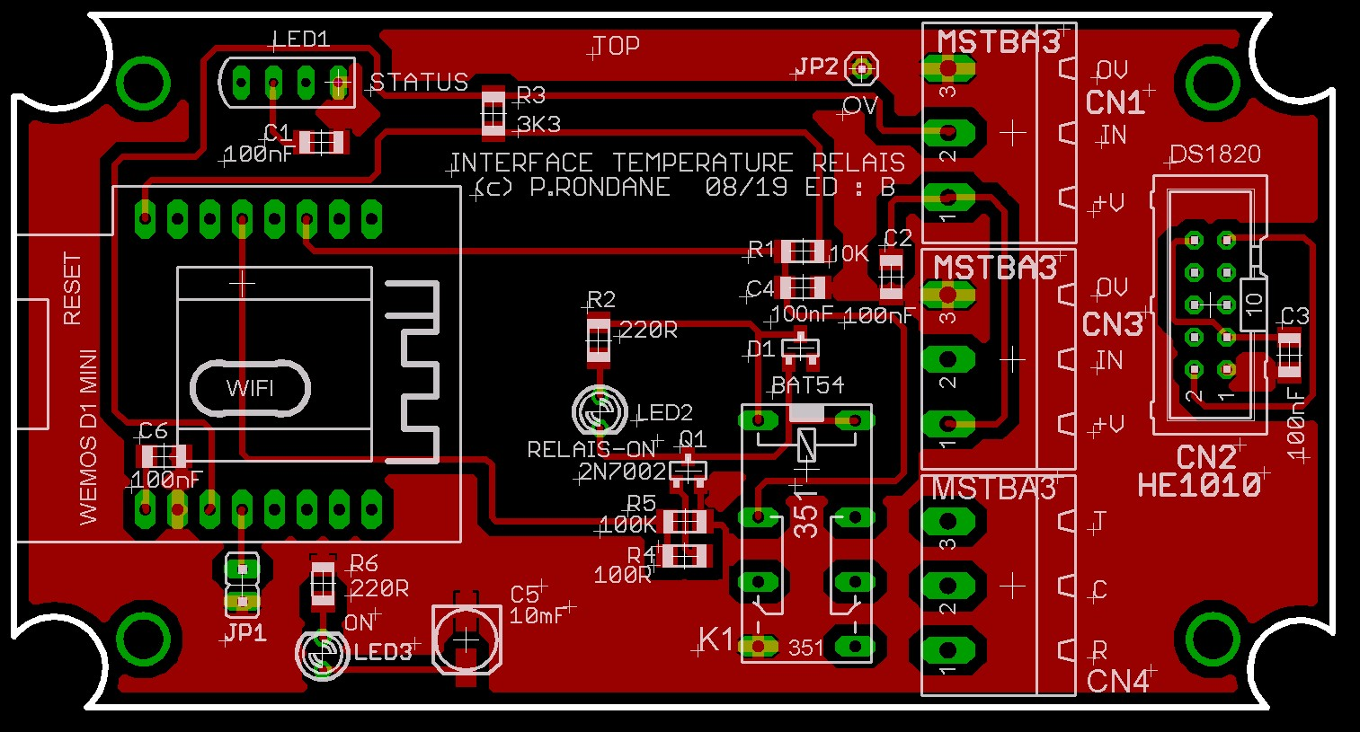
 | PCB ED: B |  | FONCTION | AFFECTATION PINS
 |  | 1 | RST | Reset | RST
 |  | 2 | A0 | Analog input, max 3.3V input | A0
 | ETAT-RELAIS | 3 | D0 | IO | GPIO16
 | LED NEOPIXEL | 4 | D5 | IO, SCK | GPIO14
 | RELAIS | 5 | D6 | IO, MISO | GPIO12
 |  | 6 | D7 | IO, MOSI | GPIO13
 |  | 7 | D8 | IO, 10k Pull-down, SS | GPIO15
 |  | 8 | 3V3 | 3.3V | 3.3V
 |  | 9 | 5V | 5V | 5V
 |  | 10 | G | Ground | GND
 | 1-WIRE | 11 | D4 | IO, 10k Pull-up, BUILTIN_LED | GPIO2
 | OPTION | 12 | D3 | IO, 10k Pull-up | GPIO0
 |  | 13 | D2 | IO, SDA | GPIO4
 |  | 14 | D1 | IO, SCL | GPIO5
 |  | 15 | RX | RXD | RXD
 |  | 16 | TX | TXD | TXD

 | Adresse IP
 | IDX
 | Version soft |  | 1.x
 | Mot de passe OTA |  | 1234

Module WESMOS
MODULE WEMOS 10/10/18

 |  | FONCTION | AFFECTATION PINS PCB
 | 1 | RST | Reset | RST
 | 2 | A0 | Analog input, max 3.3V input | A0
 | 3 | D0 | IO | GPIO16
 | 4 | D5 | IO, SCK | GPIO14
 | 5 | D6 | IO, MISO | GPIO12
 | 6 | D7 | IO, MOSI | GPIO13
 | 7 | D8 | IO, 10k Pull-down, SS | GPIO15
 | 8 | 3V3 | 3.3V | 3.3V
 | 9 | 5V | 5V | 5V
 | 10 | G | Ground | GND
 | 11 | D4 | IO, 10k Pull-up, BUILTIN_LED | GPIO2
 | 12 | D3 | IO, 10k Pull-up | GPIO0 | All of the IO pins have interrupt/pwm/I2C/one-wire support except D0.
 | 13 | D2 | IO, SDA | GPIO4
 | 14 | D1 | IO, SCL | GPIO5
 | 15 | RX | RXD | RXD
 | 16 | TX | TXD | TXD
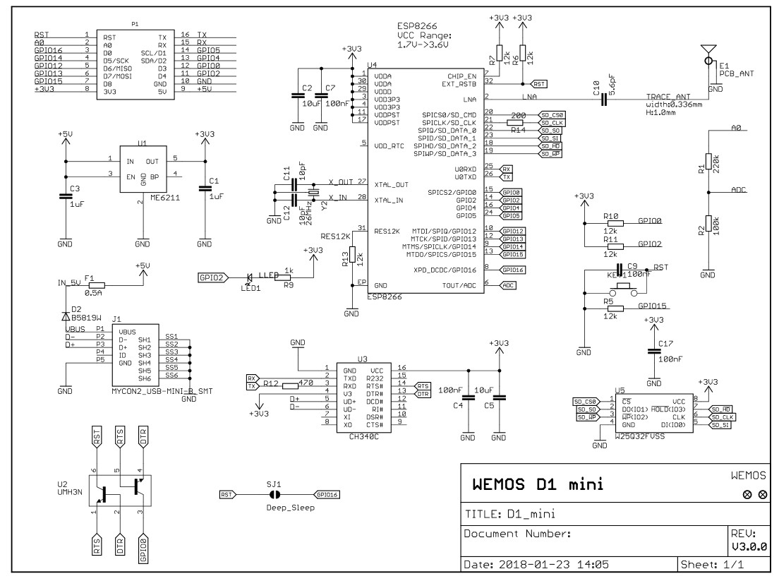
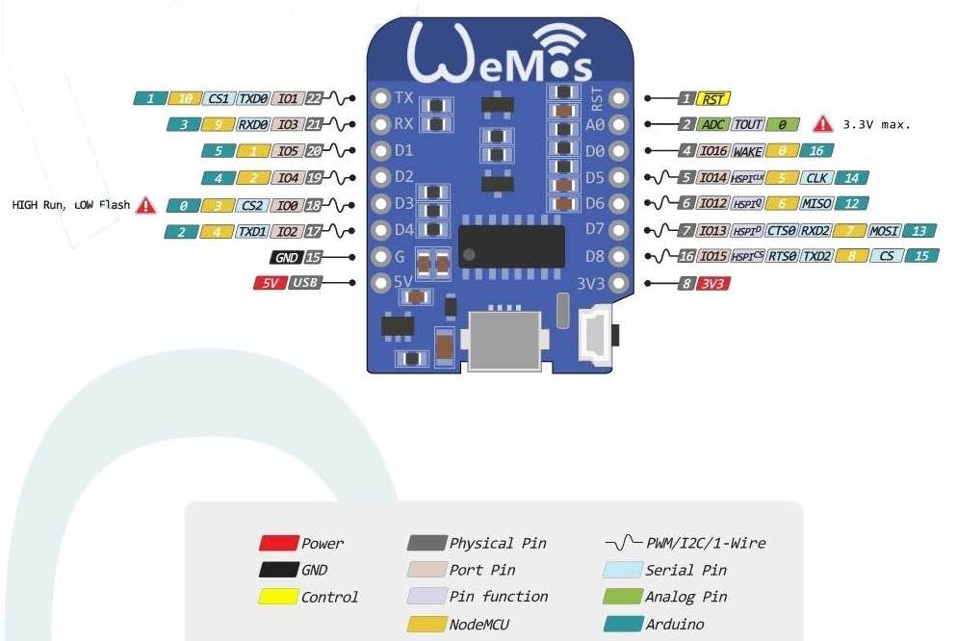

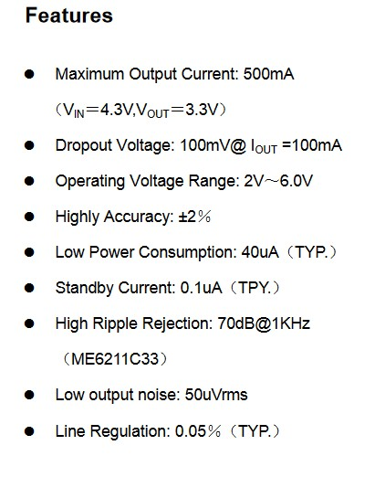
 |  |  |  |  |  | ME6211

Boîtiers
1591BFLBK -

Coffret plastique, Retardateur de flammes, Multi-usage, ABS, 112 mm, 62 mm, 31 mm, IP54
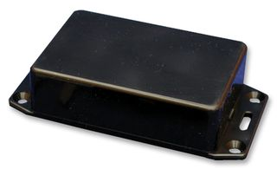
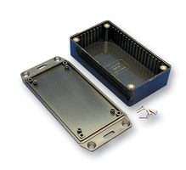

Fabricant :
HAMMOND
Réf. Fabricant:
1591BFLBK
Code Commande :
FN 3848607

1591MFLBK -

Coffret plastique, Retardateur de flammes, Multi-usage, ABS, 85 mm, 56 mm, 25 mm, IP54

Fabricant :
HAMMOND
Réf. Fabricant:
1591MFLBK
Code Commande :
FN 3848565

RASPBERRY
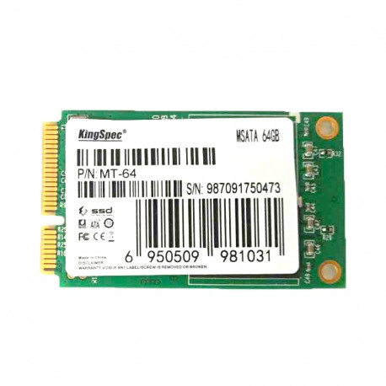
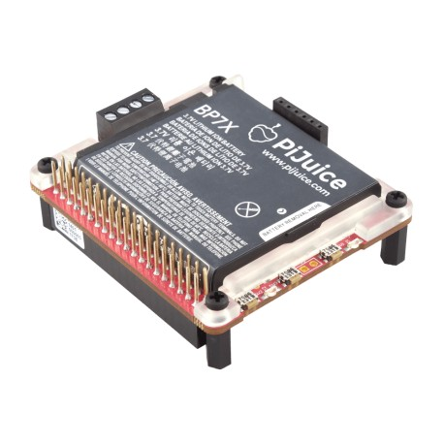
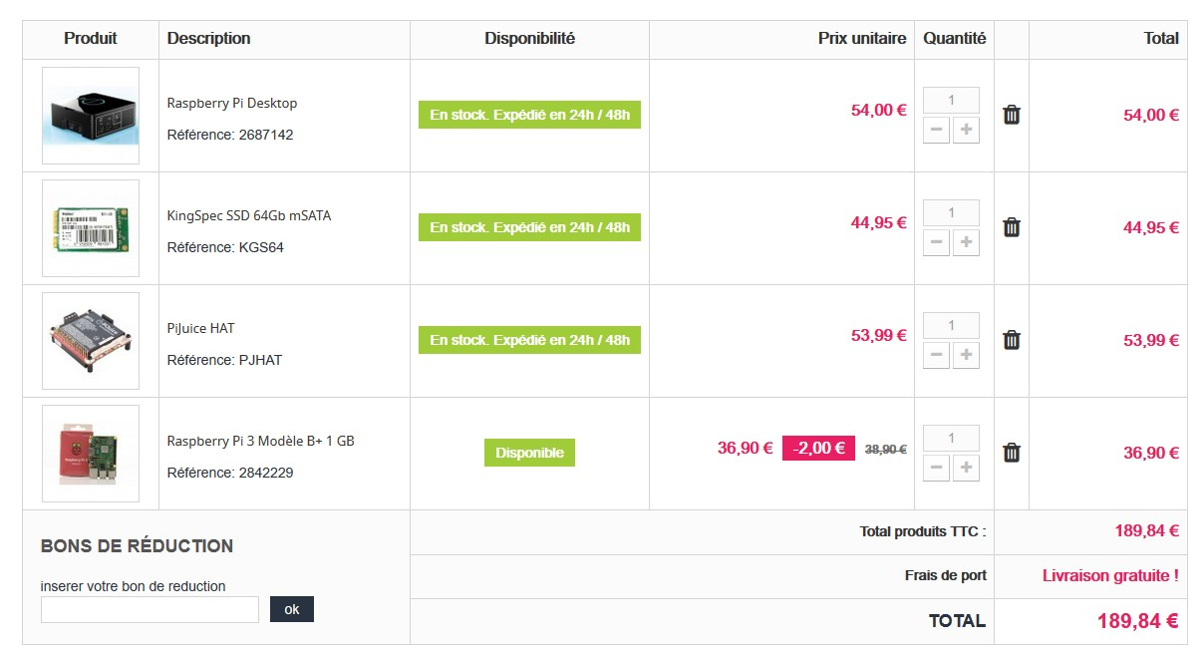
Raspberry Pi Desktop

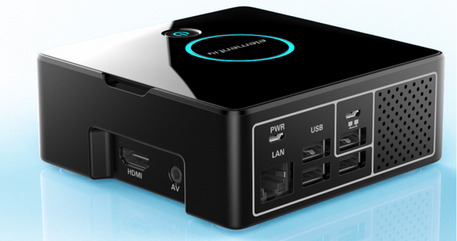

Liens: https://www.framboise314.fr/pi-desktop-un-boitier-pour-votre-raspberry-pi/ https://www.kubii.fr/carte-sd-et-stockage/2021-kingspec-ssd-64gb-msata-kubii-3272496008816.html

KingSpec SSD 64Gb mSATA | PiJuice HAT

